Results
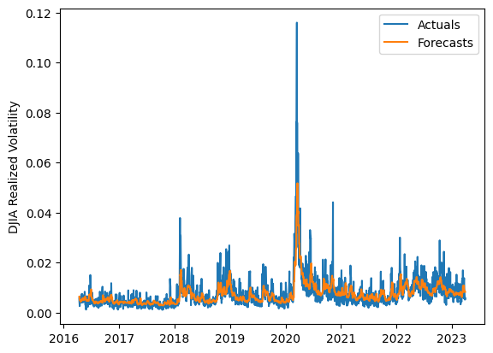
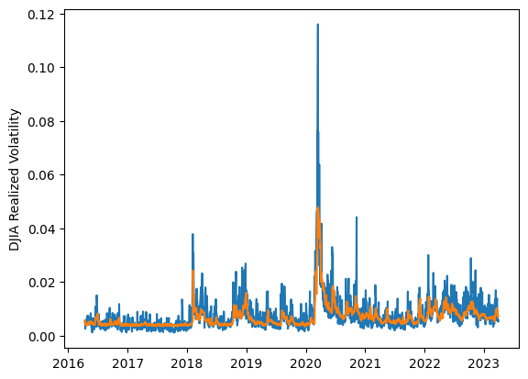
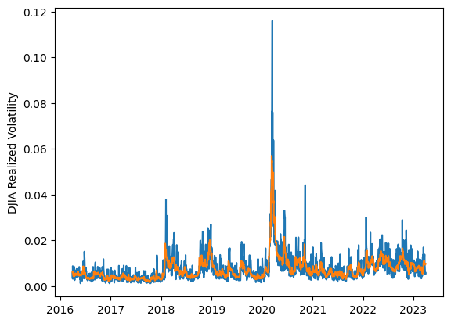
 | LSTM |  |  | TCN |  |  | NBEATSx |  |  |  |  | LSTM |  |  | TCN |  |  | NBEATSx
 | Accuracy | RMSE | Qlike | Accuracy | RMSE | Qlike | Accuracy | RMSE | Qlike |  |  | Accuracy | RMSE | Qlike | Accuracy | RMSE | Qlike | Accuracy | RMSE | Qlike
Trial 1 | 55.64% | 0.28% | 0.123 | 58.06% | 0.266% | 0.117 | 65.49% | 0.243% | 0.080 |  | Mean | 60.90% | 0.269% | 0.106 | 62.16% | 0.264% | 0.104 | 66.64% | 0.239% | 0.080
Trial 2 | 62.69% | 0.26% | 0.098 | 64.89% | 0.258% | 0.095 | 66.51% | 0.239% | 0.080 |  | Standard Deviation | 4.95% | 0.012% | 0.017 | 1.86% | 0.004% | 0.006 | 0.52% | 0.002% | 0.001
Trial 3 | 65.12% | 0.26% | 0.094 | 61.22% | 0.270% | 0.108 | 66.82% | 0.241% | 0.082 |  | 95% CI upper bound | 70.79% | 0.292% | 0.139 | 65.87% | 0.272% | 0.115 | 67.69% | 0.242% | 0.083
Trial 4 | 59.58% | 0.27% | 0.109 | 62.43% | 0.266% | 0.105 | 67.15% | 0.236% | 0.080 |  | 95% CI lower bound | 51.00% | 0.246% | 0.072 | 58.45% | 0.255% | 0.092 | 65.60% | 0.235% | 0.077
Trial 5 | 64.19% | 0.26% | 0.094 | 62.50% | 0.264% | 0.101 | 65.82% | 0.240% | 0.079 |  | 99.7% CI upper bound | 75.74% | 0.304% | 0.155 | 67.73% | 0.276% | 0.121 | 68.22% | 0.244% | 0.084
Trial 6 | 53.78% | 0.28% | 0.129 | 62.05% | 0.260% | 0.102 | 66.63% | 0.239% | 0.079 |  | 99.7% CI lower bound | 46.06% | 0.234% | 0.056 | 56.59% | 0.251% | 0.086 | 65.07% | 0.233% | 0.076
Trial 7 | 64.88% | 0.26% | 0.094 | 58.85% | 0.266% | 0.114 | 66.53% | 0.240% | 0.082
Trial 8 | 62.14% | 0.26% | 0.100 | 63.95% | 0.258% | 0.096 | 66.62% | 0.237% | 0.080
Trial 9 | 58.18% | 0.27% | 0.113 | 61.19% | 0.259% | 0.105 | 67.24% | 0.237% | 0.079
Trial 10 | 48.51% | 0.30% | 0.149 | 61.52% | 0.264% | 0.106 | 66.97% | 0.237% | 0.079
Trial 11 | 63.25% | 0.26% | 0.097 | 64.09% | 0.266% | 0.099 | 67.11% | 0.237% | 0.080
Trial 12 | 63.74% | 0.26% | 0.096 | 63.42% | 0.261% | 0.099 | 67.45% | 0.239% | 0.082
Trial 13 | 64.31% | 0.26% | 0.093 | 62.72% | 0.259% | 0.102 | 66.52% | 0.237% | 0.078
Trial 14 | 66.08% | 0.26% | 0.092 | 63.45% | 0.270% | 0.104 | 66.56% | 0.238% | 0.078
Trial 15 | 61.35% | 0.27% | 0.103 | 62.06% | 0.268% | 0.103 | 66.24% | 0.240% | 0.079

 | LSTM (best trial) |  |  |  |  |  |  |  |  | TCN (best trial) |  |  |  |  |  |  |  |  | NBEATSx (best trial)

